Sheet1
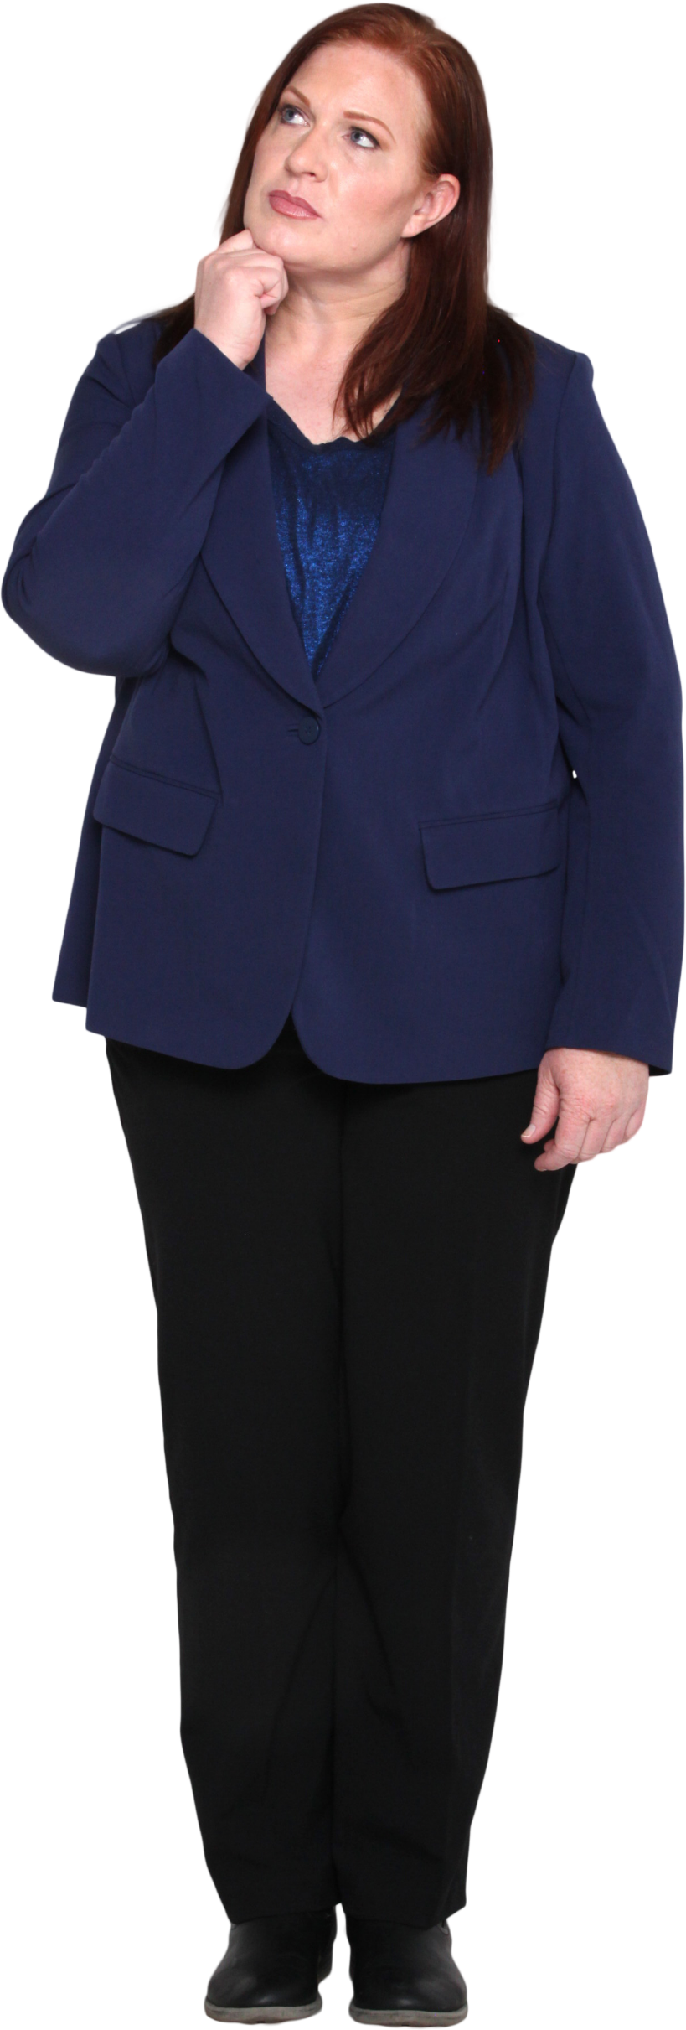
Data | Answer Expected
BANANA | ABANAN
MARKET | ARKETM
CUSTOMER | CUSTOMER
POWER QUERY | ERPOW ERYQU
SALES REPORT | ALESS EPORTR
CUSTOMER DATA | ADAT CUSTOMER
DATA QUALITY DATA | ADAT ADAT ALITYQU
REPORT SALES REPORT | ALESS EPORTR EPORTR
FINANCIAL DATA MODEL | ADAT ALFINANCI DELMO
BUSINESS PROCESS DESIGN | BUSINESS CESSPRO DESIGN

From all possible rotations of given words in a string, identify the lexicographically smallest rotation. Then sort the words.
Ex. CAB => Possible rotations are CAB, ABC, BCA => Answer is ABC.

